6. Freight Backend
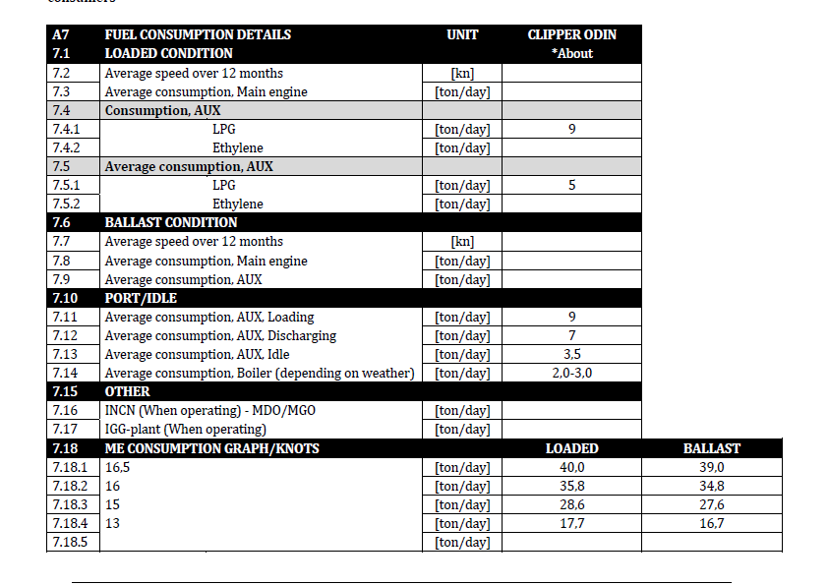
 | BSS 16 knots
Vessel name | M3 | MT | Laden | Ballast | Short term | Mid term | 2027
Handy | 23000 | 13000 | 29 | 26 | 27,123.29 | 28000 |  | 220000
MGC 38 | 38000 | 25000 | 30.5 | 29.5 | 36,164.38 | 36290.322581 | 29,589.04 | 320000
MGC 45 | 45000 | 30000 | 27 | 27 | 39,452.05 | 35000 |  | 416000
LGC | 65000 | 40000 | 37 | 33 | 43,561.64 | 37500
VLGC | 84000 | 50000 | 42.5 | 35 | 50000 | 45000
VLAC | 93000 | 60000 | 42.5 | 35 | 50000 | 48000
MGC 38 -existing | 38000 | 25000 | 30.5 | 29.5 |  | 29,000.00
LGC -existing | 65000 | 40000 | 37 | 33 |  | 37,000.00
Distance table
 | Load | Dis |  | Distance | Cape | Panama
 | BNA | Tampa | BNATampa | 728
 | BNA | Rotterdam | BNARotterdam | 5141
 | BNA | Varna | BNAVarna | 6845
 | BNA | Lisbon | BNALisbon | 4666
 | BNA | Gabes | BNAGabes | 5971
 | BNA | Paradeep | BNAParadeep | 12948
 | BNA | Singapore | BNASingapore | 12888
 | BNA | Hekinan | BNAHekinan | #REF! | 15772 | 9421
 | Arzew | Tampa | ArzewTampa | 4615
 | Arzew | Rotterdam | ArzewRotterdam | 1676
 | Arzew | Varna | ArzewVarna | 1740
 | Arzew | Lisbon | ArzewLisbon | 575
 | Arzew | Gabes | ArzewGabes | 861
Suez | Arzew | Paradeep | ArzewParadeep | 6320
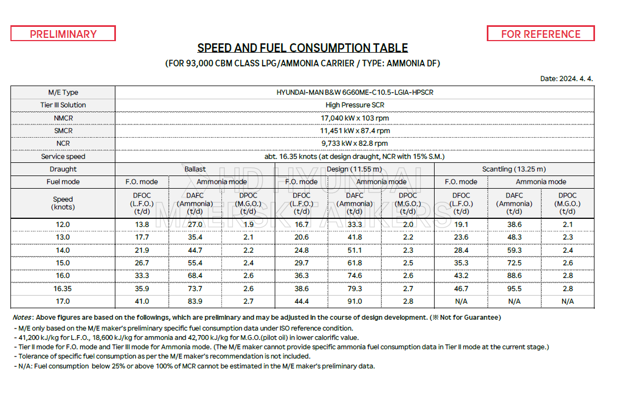
Suez | Arzew | Singapore | ArzewSingapore | 6856
Suez | Arzew | Hekinan | ArzewHekinan | 9529
Suez | Sokhna | Tampa | SokhnaTampa | 6356
Suez | Sokhna | Rotterdam | SokhnaRotterdam | 3449 |  |  |  |  | 48000 |  | 23228 | 26000 | 27680
Suez | Sokhna | Varna | SokhnaVarna | 1061 |  |  |  |  | 38000 | 1.2631578947 | 29340.631579 | 32842.105263 | 34964.210526
Suez | Sokhna | Lisbon | SokhnaLisbon | 2347
Suez | Sokhna | Gabes | SokhnaGabes | 1265
 | Sokhna | Paradeep | SokhnaParadeep | 4528
 | Sokhna | Singapore | SokhnaSingapore | 5064
 | Sokhna | Hekinan | SokhnaHekinan | 7738
 | Sokhna | Yeosu | SokhnaYeosu | 7441
Suez | Al Jubail | Tampa | Al JubailTampa | 9405
Suez | Al Jubail | Rotterdam | Al JubailRotterdam | 6501
Suez | Al Jubail | Varna | Al JubailVarna | 4169
Suez | Al Jubail | Lisbon | Al JubailLisbon | 5460
Suez | Al Jubail | Gabes | Al JubailGabes | 4412
 | Al Jubail | Paradeep | Al JubailParadeep | 3127
 | Al Jubail | Singapore | Al JubailSingapore | 3745
 | Al Jubail | Hekinan | Al JubailHekinan | 6532
 | Point Lisas | Tampa | Point LisasTampa | 2006
 | Point Lisas | Rotterdam | Point LisasRotterdam | 4066
 | Point Lisas | Varna | Point LisasVarna | 5401
 | Point Lisas | Lisbon | Point LisasLisbon | 3292
 | Point Lisas | Gabes | Point LisasGabes | 4522
 | Point Lisas | Paradeep | Point LisasParadeep | 10736
 | Point Lisas | Singapore | Point LisasSingapore | 11030
 | Point Lisas | Hekinan | Point LisasHekinan | 13199
Panama | Point Lisas | Yeosu | Point LisasYeosu | 9075
 | Ust Luga | Tampa | Ust LugaTampa | 5633
 | Ust Luga | Rotterdam | Ust LugaRotterdam | 1417
 | Ust Luga | Varna | Ust LugaVarna | 4746
 | Ust Luga | Lisbon | Ust LugaLisbon | 2499
 | Ust Luga | Gabes | Ust LugaGabes | 3868
 | Ust Luga | Paradeep | Ust LugaParadeep | 12835
 | Ust Luga | Singapore | Ust LugaSingapore | 13150
 | Ust Luga | Hekinan | Ust LugaHekinan | 15755
 | Bontang | Tampa | BontangTampa | 13390
Suez | Bontang | Rotterdam | BontangRotterdam | 9643
Suez | Bontang | Varna | BontangVarna | 7254
Suez | Bontang | Lisbon | BontangLisbon | 8541
Suez | Bontang | Gabes | BontangGabes | 7459
 | Bontang | Paradeep | BontangParadeep | 2708
 | Bontang | Singapore | BontangSingapore | 1152
 | Bontang | Hekinan | BontangHekinan | 2504
Panama | BNA | Pisco | BNAPisco | 3048
Panama | Trinidad | Pisco | TrinidadPisco | 2686
 | Topolobampo | Pisco | TopolobampoPisco | 3101
 | Arzew | Ust Luga | ArzewUst Luga | 2832
 | Arzew | Heroya | ArzewHeroya | 2099
 | Bahia Blanca | Gabes | Bahia BlancaGabes | 6697
 | Bahia Blanca | Santos | Bahia BlancaSantos | 1327
 | Dampier | Ulsan | DampierUlsan | 3673
 | Gladstone | Ulsan | GladstoneUlsan | 4066
 | Dampier | Paradeep | DampierParadeep | 3265
 | Gladstone | Paradeep | GladstoneParadeep | 5074
 | Dampier | Singapore | DampierSingapore | 1721
 | Gladstone | Singapore | GladstoneSingapore | 3529
 | Sitra | Ulsan | SitraUlsan | 6288
 | Sitra | Paradeep | SitraParadeep | 3267
 | Chattogram | Paradeep | ChattogramParadeep | 242
 | rotterdam | Santos | rotterdamSantos | 5478
 | Aratu (Camacari, Bahia) | Heroya | Aratu (Camacari, Bahia)Heroya | 5051
 | Paranagua | Heroya | ParanaguaHeroya | 6069
 | Aratu (Camacari, Bahia) | Richards Bay | Aratu (Camacari, Bahia)Richards Bay | 4360
 | Paranagua | Richards Bay | ParanaguaRichards Bay | 4409
 | Tianjin | Ulsan | TianjinUlsan | 734
 | Caojing, Shanghai | Ulsan | Caojing, ShanghaiUlsan | 525
 | Fangchenggang | Ulsan | FangchenggangUlsan | 1626
 | Tianjin | Paradeep | TianjinParadeep | 4305
 | Caojing, Shanghai | Paradeep | Caojing, ShanghaiParadeep | 3665
 | Fangchenggang | Paradeep | FangchenggangParadeep | 2880
 | Tianjin | Singapore | TianjinSingapore | 2761
 | Caojing, Shanghai | Singapore | Caojing, ShanghaiSingapore | 2120
 | Fangchenggang | Singapore | FangchenggangSingapore | 1335
 | Ain Sokhna | Varna | Ain SokhnaVarna | 1055
 | Ain Sokhna | Gabes | Ain SokhnaGabes | 1274
 | Ain Sokhna | Aqaba (Jordan) | Ain SokhnaAqaba (Jordan) | 343
 | Rouen | Ust Luga | RouenUst Luga | 1374
 | Rouen | Heroya | RouenHeroya | 641
 | Brunsbuttel | Ust Luga | BrunsbuttelUst Luga | 1098
 | Brunsbuttel | Heroya | BrunsbuttelHeroya | 372
 | Bontang | Ulsan | BontangUlsan | 2446
 | Bandar Imam Khomeini | Varna | Bandar Imam KhomeiniVarna | 4348
 | Bandar Imam Khomeini | Gemlik | Bandar Imam KhomeiniGemlik | 4209
 | Bandar Imam Khomeini | Paradeep | Bandar Imam KhomeiniParadeep | 3481
 | Marsa El Brega | Gabes | Marsa El BregaGabes | 526
 | Marsa El Brega | Jorf Lasfar | Marsa El BregaJorf Lasfar | 1667
 | Marsa El Brega | Aqaba (Jordan) | Marsa El BregaAqaba (Jordan) | 1256
 | Bintulu | Ulsan | BintuluUlsan | 2287
 | Bintulu | Paradeep | BintuluParadeep | 2153
 | Bintulu | Singapore | BintuluSingapore | 608
 | Rotterdam | Ust Luga | RotterdamUst Luga | 1216
 | Rotterdam | Gabes | RotterdamGabes | 2432
 | Rotterdam | Heroya | RotterdamHeroya | 484
 | Salalah | Kwinana | SalalahKwinana | 4968
 | Salalah | Aqaba (Jordan) | SalalahAqaba (Jordan) | 1892
 | Salalah | Paradeep | SalalahParadeep | 2937
 | Sines | Lisbon | SinesLisbon | 73
 | Mesaieed | Paradeep | MesaieedParadeep | 3232
 | Mesaieed | Richards Bay | MesaieedRichards Bay | 4088
 | Mesaieed | Donaldsonville | MesaieedDonaldsonville | 9638
 | Ust Luga | Rotterdam | Ust LugaRotterdam | 1216
 | Ust Luga | Gemlik | Ust LugaGemlik | 4382
 | Ust Luga | Heroya | Ust LugaHeroya | 852
 | Ras Al Khair | Jorf Lasfar | Ras Al KhairJorf Lasfar | 5494
 | Ras Al Khair | Ulsan | Ras Al KhairUlsan | 6432
 | Ras Al Khair | Paradeep | Ras Al KhairParadeep | 3410
 | Ulsan | Topolobampo | UlsanTopolobampo | 6260
 | Ulsan | Ulsan | UlsanUlsan | 0
 | Ulsan | Aqaba (Jordan) | UlsanAqaba (Jordan) | 7501
 | Huelva | Lisbon | HuelvaLisbon | 264
 | Gothenburg | Lisbon | GothenburgLisbon | 1552
 | Gothenburg | Gabes | GothenburgGabes | 2880
 | Taichung | Ulsan | TaichungUlsan | 905
 | Point Lisas | Jorf Lasfar | Point LisasJorf Lasfar | 3410
 | Point Lisas | Heroya | Point LisasHeroya | 4509
 | Point Lisas | Donaldsonville | Point LisasDonaldsonville | 2099
 | Gemlik | Lisbon | GemlikLisbon | 2140
 | Gemlik | Gabes | GemlikGabes | 1112
 | Gemlik | Jorf Lasfar | GemlikJorf Lasfar | 2067
 | Ruwais | Paradeep | RuwaisParadeep | 3165
 | Ruwais | Donaldsonville | RuwaisDonaldsonville | 9570
 | Donaldsonville | Rotterdam | DonaldsonvilleRotterdam | 4843
 | Hopewell, Virginia | Rotterdam | Hopewell, VirginiaRotterdam | 3505
 | Donaldsonville | Jorf Lasfar | DonaldsonvilleJorf Lasfar | 4562
 | Hopewell, Virginia | Jorf Lasfar | Hopewell, VirginiaJorf Lasfar | 3406
 | Donaldsonville | Heroya | DonaldsonvilleHeroya | 4939
 | Hopewell, Virginia | Heroya | Hopewell, VirginiaHeroya | 3590
 | Jose | Point Lisas | JosePoint Lisas | 282
 | Jose | Tampa | JoseTampa | 1831
 | Jose | Gabes | JoseGabes | 4730
 | Hai Phong | Ulsan | Hai PhongUlsan | 1742
 | Dung Quat | Ulsan | Dung QuatUlsan | 1751
 | Phu My | Ulsan | Phu MyUlsan | 2075
 | Hai Phong | Singapore | Hai PhongSingapore | 1311
 | Dung Quat | Singapore | Dung QuatSingapore | 941
 | Phu My | Singapore | Phu MySingapore | 627
 | Rotterdam | Donaldsonville | RotterdamDonaldsonville | 4843
 | Lisbon | Donaldsonville | LisbonDonaldsonville | 4406
 | Dampier | Donaldsonville | DampierDonaldsonville | 11606
 | Gladstone | Donaldsonville | GladstoneDonaldsonville | 9461
 | Ust Luga | Donaldsonville | Ust LugaDonaldsonville | 5709
 | Varna | Donaldsonville | VarnaDonaldsonville | 6528
 | Tampa | Donaldsonville | TampaDonaldsonville | 507
 | Gemlik | Donaldsonville | GemlikDonaldsonville | 6388
 | Gabes | Donaldsonville | GabesDonaldsonville | 5629
 | Topolobampo | Donaldsonville | TopolobampoDonaldsonville | 3670
 | Jorf Lasfar | Donaldsonville | Jorf LasfarDonaldsonville | 4562
 | Ulsan | Donaldsonville | UlsanDonaldsonville | 9578
 | Heroya | Donaldsonville | HeroyaDonaldsonville | 4939
 | Aqaba (Jordan) | Donaldsonville | Aqaba (Jordan)Donaldsonville | 6936
 | Santos | Donaldsonville | SantosDonaldsonville | 5422
 | Paradeep | Donaldsonville | ParadeepDonaldsonville | 11114
 | Singapore | Donaldsonville | SingaporeDonaldsonville | 11564
 | Richards Bay | Donaldsonville | Richards BayDonaldsonville | 8246
 | Donaldsonville | Donaldsonville | DonaldsonvilleDonaldsonville | 0
 | Caojing, Shanghai | Jorf Lasfar | Caojing, ShanghaiJorf Lasfar | 9363
 | Fangchenggang | Kwinana | FangchenggangKwinana | 3526
 | Arzew | Jorf Lasfar | ArzewJorf Lasfar | 516
 | Arzew | Aqaba (Jordan) | ArzewAqaba (Jordan) | 2166
 | Bahia Blanca | Heroya | Bahia BlancaHeroya | 7108
 | Bahia Blanca | Jorf Lasfar | Bahia BlancaJorf Lasfar | 5439
 | Bahia Blanca | Aqaba (Jordan) | Bahia BlancaAqaba (Jordan) | 8004
 | Dampier | Heroya | DampierHeroya | 10130
 | Dampier | Jorf Lasfar | DampierJorf Lasfar | 8547
 | Dampier | Aqaba (Jordan) | DampierAqaba (Jordan) | 6234
 | Sitra | Heroya | SitraHeroya | 6933
 | Sitra | Jorf Lasfar | SitraJorf Lasfar | 5351
 | Sitra | Aqaba (Jordan) | SitraAqaba (Jordan) | 3037
 | Chattogram | Heroya | ChattogramHeroya | 8541
 | Chattogram | Jorf Lasfar | ChattogramJorf Lasfar | 6959
 | Chattogram | Aqaba (Jordan) | ChattogramAqaba (Jordan) | 4646
 | rotterdam | Jorf Lasfar | rotterdamJorf Lasfar | 1395
 | rotterdam | Aqaba (Jordan) | rotterdamAqaba (Jordan) | 3736
 | Aratu (Camacari, Bahia) | Jorf Lasfar | Aratu (Camacari, Bahia)Jorf Lasfar | 3382
 | Aratu (Camacari, Bahia) | Aqaba (Jordan) | Aratu (Camacari, Bahia)Aqaba (Jordan) | 5947
 | Paranagua | Jorf Lasfar | ParanaguaJorf Lasfar | 4400
 | Paranagua | Aqaba (Jordan) | ParanaguaAqaba (Jordan) | 6965
 | Caojing, Shanghai | Heroya | Caojing, ShanghaiHeroya | 10945
 | Caojing, Shanghai | Aqaba (Jordan) | Caojing, ShanghaiAqaba (Jordan) | 7050
 | Tianjin | Heroya | TianjinHeroya | 11586
 | Tianjin | Jorf Lasfar | TianjinJorf Lasfar | 10003
 | Tianjin | Aqaba (Jordan) | TianjinAqaba (Jordan) | 7690
 | Fangchenggang | Heroya | FangchenggangHeroya | 10161
 | Fangchenggang | Jorf Lasfar | FangchenggangJorf Lasfar | 8578
 | Fangchenggang | Aqaba (Jordan) | FangchenggangAqaba (Jordan) | 6265
 | Ain Sokhna | Heroya | Ain SokhnaHeroya | 3855
 | Ain Sokhna | Jorf Lasfar | Ain SokhnaJorf Lasfar | 2272
 | Rouen | Jorf Lasfar | RouenJorf Lasfar | 1252
 | Rouen | Aqaba (Jordan) | RouenAqaba (Jordan) | 3593
 | Brunsbuttel | Jorf Lasfar | BrunsbuttelJorf Lasfar | 1633
 | Brunsbuttel | Aqaba (Jordan) | BrunsbuttelAqaba (Jordan) | 3974
 | Bontang | Heroya | BontangHeroya | 9973
 | Bontang | Jorf Lasfar | BontangJorf Lasfar | 8391
 | Bontang | Aqaba (Jordan) | BontangAqaba (Jordan) | 6077
 | Bandar Imam Khomeini | Heroya | Bandar Imam KhomeiniHeroya | 7148
 | Bandar Imam Khomeini | Jorf Lasfar | Bandar Imam KhomeiniJorf Lasfar | 5565
 | Bandar Imam Khomeini | Aqaba (Jordan) | Bandar Imam KhomeiniAqaba (Jordan) | 3252
 | Marsa El Brega | Heroya | Marsa El BregaHeroya | 3250
 | Bintulu | Heroya | BintuluHeroya | 9434
 | Bintulu | Jorf Lasfar | BintuluJorf Lasfar | 7851
 | Bintulu | Aqaba (Jordan) | BintuluAqaba (Jordan) | 5538
 | Salalah | Heroya | SalalahHeroya | 5788
 | Salalah | Jorf Lasfar | SalalahJorf Lasfar | 4205
 | Sines | Heroya | SinesHeroya | 1583
 | Sines | Jorf Lasfar | SinesJorf Lasfar | 288
 | Sines | Aqaba (Jordan) | SinesAqaba (Jordan) | 2629
 | Mesaieed | Heroya | MesaieedHeroya | 6899
 | Mesaieed | Jorf Lasfar | MesaieedJorf Lasfar | 5316
 | Mesaieed | Aqaba (Jordan) | MesaieedAqaba (Jordan) | 3003
 | Ust Luga | Jorf Lasfar | Ust LugaJorf Lasfar | 2590
 | Ust Luga | Aqaba (Jordan) | Ust LugaAqaba (Jordan) | 4931
 | Ras Al Khair | Heroya | Ras Al KhairHeroya | 7077
 | Ras Al Khair | Aqaba (Jordan) | Ras Al KhairAqaba (Jordan) | 3181
 | Ulsan | Heroya | UlsanHeroya | 11397
 | Ulsan | Jorf Lasfar | UlsanJorf Lasfar | 9814
 | Huelva | Heroya | HuelvaHeroya | 1773
 | Huelva | Jorf Lasfar | HuelvaJorf Lasfar | 259
 | Huelva | Aqaba (Jordan) | HuelvaAqaba (Jordan) | 2470
 | Gothenburg | Heroya | GothenburgHeroya | 109
 | Gothenburg | Jorf Lasfar | GothenburgJorf Lasfar | 1846
 | Gothenburg | Aqaba (Jordan) | GothenburgAqaba (Jordan) | 4187
 | Taichung | Heroya | TaichungHeroya | 10580
 | Taichung | Jorf Lasfar | TaichungJorf Lasfar | 8998
 | Taichung | Aqaba (Jordan) | TaichungAqaba (Jordan) | 6685
 | Point Lisas | Aqaba (Jordan) | Point LisasAqaba (Jordan) | 5839
 | Gemlik | Heroya | GemlikHeroya | 3649
 | Gemlik | Aqaba (Jordan) | GemlikAqaba (Jordan) | 1259
 | Ruwais | Heroya | RuwaisHeroya | 6831
 | Ruwais | Jorf Lasfar | RuwaisJorf Lasfar | 5249
 | Ruwais | Aqaba (Jordan) | RuwaisAqaba (Jordan) | 2935
 | Hopewell, Virginia | Aqaba (Jordan) | Hopewell, VirginiaAqaba (Jordan) | 5749
 | Donaldsonville | Aqaba (Jordan) | DonaldsonvilleAqaba (Jordan) | 6936
 | Donaldsonville | Kwinana | DonaldsonvilleKwinana | 11120
 | Donaldsonville | Varna | DonaldsonvilleVarna | 6528
 | Jose | Heroya | JoseHeroya | 4641
 | Jose | Jorf Lasfar | JoseJorf Lasfar | 3615
 | Jose | Aqaba (Jordan) | JoseAqaba (Jordan) | 6037
 | Phu My | Heroya | Phu MyHeroya | 9452
 | Phu My | Jorf Lasfar | Phu MyJorf Lasfar | 7870
 | Phu My | Aqaba (Jordan) | Phu MyAqaba (Jordan) | 5557

7. Freight Calculator
RECHECK will be desplayed if NO is shown even if the route is using PANAMA
Don’t type over anything, only change drop downs highlighted green |  |  | MGC 38 | Ship Type
FRT RATE | $91.46 | SPD BLST | 15.00 | Ship Type | MGC 38 | choose from drop-down list | PANAMA CHECK | NO | OK
INTANK(MT) | 25,000.000 | SPD LADN | 15.00 | Vessel Speed BLST | 15 | input
T/C RATE | $1,100,120.55 | BLST IFO | 29.5 | Vessel Speed LADN | 15 | input
RATE/DAY | $36,164.38 | LADN IFO | 30.5 |  |  |  | SUEZ CHECK | NO | OK
LOAD PORT | Phu My | DISPORT | Aqaba (Jordan) | Bunker
LOAD PORT | 1 | PORT IFO | 0 | Port IFO (consumption) | 0 | input
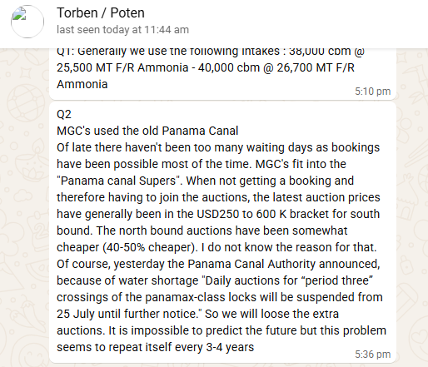
DISPORT | 1 | SEA MDO | 0 | Sea MDO (consumption) | 0 | iput
IFO PRICE | $750.00 | PORT MDO | 10 | Port MDO (consumption) | 10 | input
MDO PRICE | $850.00 | DAYS:BLST | 16.21
MILE:BALLAST | 5,557.00 | DAYS:LADN | 16.21 | Voyage |  |  | Port Cost | OLD / MGC or HAN | NEO / VLGC
MILE:LADEN | 5,557.00 | VOYAGE DAYS | 32.42 | LOAD PORT | Phu My | choose from drop-down list | LOAD PORT | $75,000 |  | input
LOAD P.CHG | $75,000 | NOR PLUS 6 | 0 | DISPORT | Aqaba (Jordan) | choose from drop-down list | DISPORT | $75,000 |  | input
DIS P.CHG | $75,000 | DAYS:LOADING | 2 | Voyage | Phu MyAqaba (Jordan) | auto - refer vesseldistance tab | Panama Auction South | $300,000 | $300,000 | input
PANAMA CANAL | - | PANAMA WAITING DAYS | 0 | Distance | 5,557 | auto - refer vesseldistance tab | Panama Auction North | $225,000 | $225,000 | 75% conservative
SUEZ CANAL | - |  |  | # of ports - load | 1 |  | Panama Normal passage round trip | $400,000 | $400,001
TIME COST | $1,335,038.36 | DAYS:DISCH | 2 | # of ports - disport | 1
BUNKER COST | $801,356.25 | DAYS:BUNKER | 0.5 | # of bunkering times | 1
PORT CHG | $150,000.00 | SEA MARGIN | 5.00% | PANAMA | NO |  | Panama / Suez Pulldown |  | Suez Canal
IMO COST | $0.00 | TOTAL DAYS | 36.92 | PANAMA Waiting | 5 |  | NO |  | Handy | 220000
TOTAL COST | $2,286,394.61 | BUNKER IFO | 1,017.47 | SUEZ | NO |  | YES - HANDY |  | MGC 38 | 320000
Demurrage | $36,164.38 | BUNKER MDO | 45.00 |  |  |  | YES - MGC38 |  | MGC 45 | 416000
Utilisation considered version | $107.60 | Idle days | 4.86 | Fuel Price |  |  | YES - MGC45
Ultalisation basis idle | $100.14 | idle costs | $217,174.98 | IFO (Intermediate Fuel Oil) | $750.00 | input / refer ??? | YES - VLGC
Real value | $218.73 |  |  | MDO (Marine Diesel Oil) | $850.00 | input / refer ???
Woodside uses 550 / 650 as official number, but need to concider latest high crude price
OK
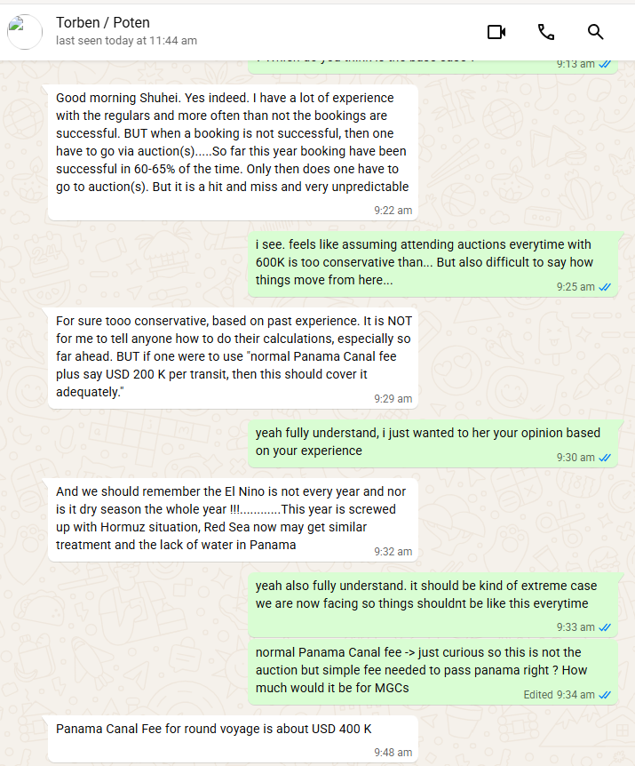
 |  |  | 41.778
ONLY UPDATE THE YELLOW HILIGHTED PART
white cells are all automated
 |  |  |  | Sea Margin | 5% | input
 |  |  |  | Utilization | 85% | input
 |  |  |  | Procution | 100000 | input
 |  |  |  | number of liftings per year | 4
 |  |  |  | un-used days (needs to relet) | 197.88716667

ArzewParadeep | Suez
ArzewSingapore | Suez
ArzewHekinan | Suez
SokhnaTampa | Suez
SokhnaRotterdam | Suez
SokhnaVarna | Suez
SokhnaLisbon | Suez
SokhnaGabes | Suez
Al JubailTampa | Suez
Al JubailRotterdam | Suez
Al JubailVarna | Suez
Al JubailLisbon | Suez
Al JubailGabes | Suez
Point LisasYeosu | Panama
BontangRotterdam | Suez
BontangVarna | Suez
BontangLisbon | Suez
BontangGabes | Suez
BNAPisco | Panama
TrinidadPisco | Panama

 |  |  |  |  | Y

